Print Page 1
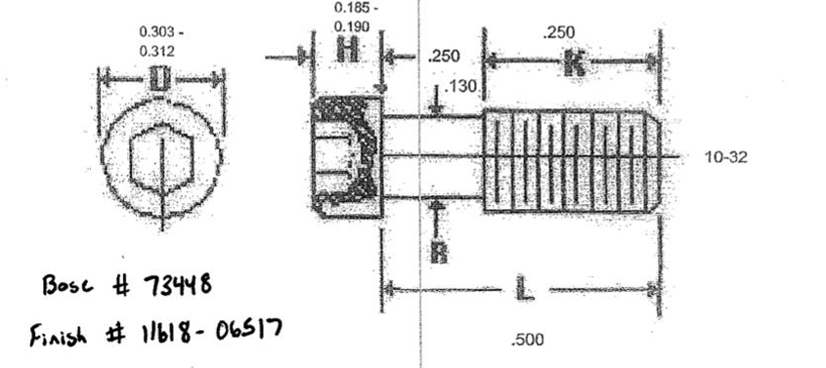
5
6
3
4
2

1

